Parameters
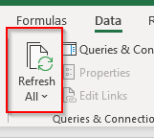
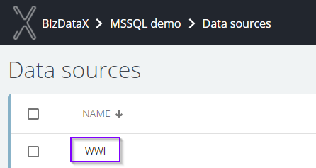
PortalURL | vm-bdxaui-01:9001
Project number | 3
Datasource name | WWI

Click twice on Data/Refresh All icon

RecordsPerTables
RecordsPerTable statistic for all tables imported in milion records

Row Labels | Count of Table name
0 | 48
Grand Total | 48

DataQuality
Data quality per rule (Hit Rate per Rule) - additional filter per Status

Status | (All)

Count of Findings | Column Labels
Row Labels | (blank) | Grand Total
(blank)
Grand Total

 | (blank)
(blank)

